BBM
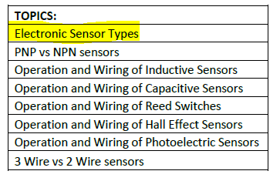
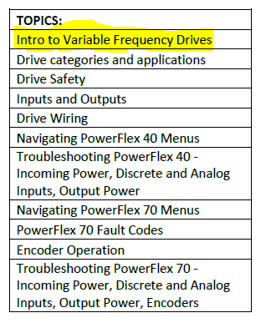
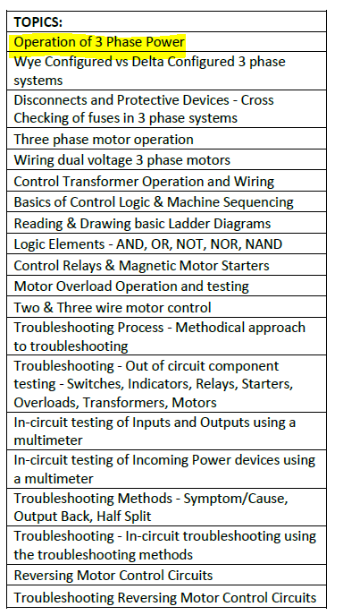
 |  |  | Curriculum Guide

 | Fundamentals |  |  |  |  |  |  |  |  |  | Electrical Systems* |  |  |  |  |  |  |  |  |  |  |  | Mechanical Systems* |  |  |  |  |  |  |  |  |  |  |  | Air Conditioning and Refrigeration* |  |  |  |  |  |  |  |  |  |  |  |  | Building and Grounds Maintenance |  |  |  |  |  | Energy Conservation |  |  |  |  | Mechanical Maintenance Applications*
 | 101 - Reading Blueprints | 102 - Reading Schematics and Symbols | 103 - Mathematics in the Plant | 104 - Making Measurements | 105 - Metals in the Plant | 106 - Nonmetals in the Plant | 107 - Hand Tools | 108 - Portable Power Tools | 109.1 - Industrial Safety and Health | 110 - Troubleshooting Skills | 201 - Basic Electricity and Electronics | 202 - Batteries and DC Circuits | 203 - Transformers and AC Circuits | 204.1 - Electrical Measuring Instruments | 205.1 - Electrical Safety and Protection | 206 - DC Equipment and Controls | 207 - Single-Phase Motors | 208 - Three-Phase Systems | 209 - AC Control Equipment | 210 - Electrical Troubleshooting | 211 - Electrical Safety in the Workplace— Understanding NFPA 70E® |  | 301 - Basic Mechanics | 302 - Lubricants and Lubrication | 303.1 - Power Transmission Equipment | 304 - Bearings | 305 - Pumps |  | 307 - Basic Hydraulics |  | 308 - Hydraulic Troubleshooting | 309 - Basic Pneumatics | 310 - Pneumatic Troubleshooting |  | 431 - The Refrigeration Cycle | 432 - Refrigerants and Refrigerant Oils | 433 - Compressors | 434 - Evaporators and Metering Devices | 435 - Condensers and Cooling Towers | 436 - Piping | 437 - Control Systems | 438 - Air-Handling Systems | 439 - System Troubleshooting | 440 - Absorption Chillers | 441 - Heat Pumps | 442 - Heating System Basics | 443 - Heating System Equipment | 361 - Introduction to Carpentry | 362 - Constructing the Building Shell | 363 - Finishing the Building Interior | 364 - Structural Painting | 366 - Flat Roof Maintenance | 367 - Plumbing Systems Maintenance | 376 - Energy Conservation Basics | 377 - Energy Losses in Buildings | 378 - Heating/Cooling System Efficiency | 379 - Mechanical Energy Conservation | 380 - Electrical Energy Conservation | 341 - Mechanical Drive Maintenance | 342 - Mechanical and Fluid Drive Systems | 343 - Bearing and Shaft Seal Maintenance | 344 - Pump Installation and Maintenance | 345 - Maintenance Pipefitting | 346 - Tubing and Hose System Maintenance | 347 - Valve Maintenance and Piping System Protection

 |  |  |  |  |  |  |  |  |  |  |  |  |  |  |  |  |  |  |  |  |  |  |  |  |  |  |  |  |  | Conveyors
Typical Job Titles |  |  |  |  |  |  |  |  |  |  |  |  |  |  |  |  |  |  |  |  |  | 212 - Variable Frequency Drives |  |  |  |  |  | 306 - Piping Systems |  | 331 Bulk Handling |  |  |  | RME Fire Protective Systems Overview
Time Duration | 60 mins | 60 mins | 60 mins | 60 mins | 60 mins | 60 mins | 60 mins | 60 mins | 60 mins | 60 mins | 60 mins | 60 mins | 60 mins | 60 mins | 60 mins | 60 mins | 60 mins | 60 mins | 60 mins | 60 mins | 60 mins | 60 mins | 60 mins | 60 mins | 60 mins | 60 mins | 60 mins |  | 60 mins | 60 mins | 60 mins | 60 mins | 60 mins |  | 60 mins | 60 mins | 60 mins | 60 mins | 60 mins | 60 mins | 60 mins | 60 mins | 60 mins | 60 mins | 60 mins | 60 mins | 60 mins | 60 mins | 60 mins | 60 mins | 60 mins | 60 mins | 60 mins | 60 mins | 60 mins | 60 mins | 60 mins | 60 mins | 60 mins | 60 mins | 60 mins | 60 mins | 60 mins | 60 mins | 60 mins

Pre-Requiste for MST I
Pre Requisite for MST II
Pre-Requistes for MST III
 | X Recommendations are based upon training needs analyses throughout industry
Enter your Job Functions below and the training courses needed
Base Building Technician (Level 3) | X | X | X | X |  |  | X |  | X | X | X | X | X | X | X |  | X | X |  | X |  | X |  |  |  |  | X | X | X |  | X | X |  |  | X | X | X | X |  | X | X | X | X |  | X | X | X | X |  |  |  | X | X |  | X | X |  |  |  |  |  | X |  | X | X

 | TPC Training, has been accredited as an Authorized Provider by the International Association for Continuing Education and Training (IACET). |  |  |  |  |  |  |  |  |  | In addition to the curriculum outlined here, TPC offers over 130 safety courses. Available in a variety of formats, our safety courses include regulatory compliance, HAZWOPER, laboratory, general safety and health, and much more. For a full listing, refer to our Course Catalog or visit our website.

 |  |  |  |  |  |  |  |  |  |  |  |  |  |  |  |  |  |  | X | added courses
 |  |  |  |  |  |  |  |  |  |  |  |  |  |  |  |  |  |  | na | remove

 | Tech 1: | 28 courses |  | 14 hours
 | Tech 2: | 35 courses |  | 17.5 hours
 | Tech 3: | 31 courses |  | 15.5 hours

